Reference
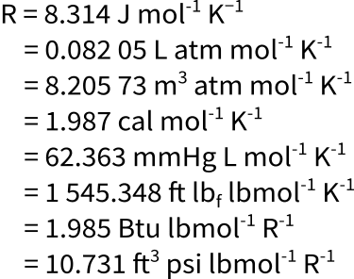
Gas | https://www.youtube.com/watch?v=v5bHIA5xeMM

Density | https://www.khanacademy.org/science/physics/fluids/buoyant-force-and-archimedes-principle/a/buoyant-force-and-archimedes-principle-article
Density w/balloon | https://www.youtube.com/watch?v=xh6V4sEeUYs

